Q-3
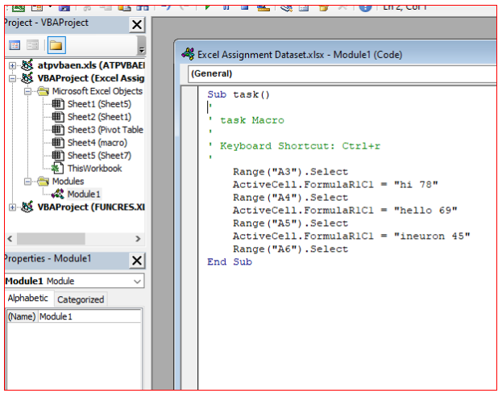
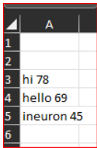
Q-3 How do you record a macro? Write detailed steps to create a macro to automatically make the following table in bold and to create borders for it in excel. hi 78 hello 69 ineuron 45
◊ Macros and VBA tools can be found on the Developer tab, which is hidden by default, so the first step is to enable it by clicking on a custom ribbon. In the Code group on the Developer tab, click Record Macro.

◊ Optionally, enter a name for the macro in the Macro name box, enter a shortcut key in the Shortcut key box, and a description in the Description box, and then click OK to start recording.

◊ Perform the actions you want to automate, such as entering boilerplate text or filling down a column of data. On the Developer tab, click Stop Recording.

◊ To edit a macro, in the Code group on the Developer tab, click Macros, select the name of the macro, and click Edit. This starts with the Visual Basic Editor then, close the Visual Basic Editor and run your macro again, it will
automatics do a task.

Q-5
Q-5 Briefly describe the interface of a VBA editor? What is properties window? And what is watch window? How do you display these windows?
→ VB Editor allows you to write and edit custom scripts that can automate actions in Excel.

→ Before you start coding, you have to open the VB editor. Navigate to the Developer tab and click the Visual Basic button. Alternatively, you can use the keyboard shortcut Alt + F11.

→ Once you click on Visual Basic, the Editor will launch.
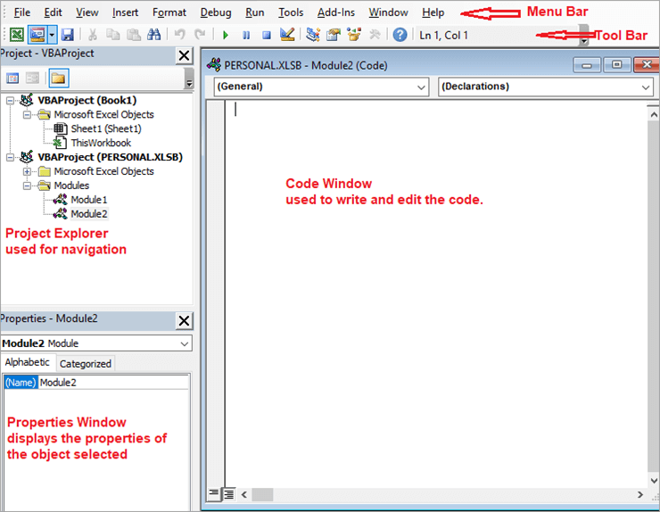

Project Explorer: This contains all the sheets in the workbook and the workbook itself. It has a Modules folder that stores all the VBA code. When you record macros, they’re included in a module. To add a new, empty module, click on VBA Project (Book1) -> RightClick -> Insert -> Module.

Properties Window: It contains all the properties of an object like font, color, height, width, etc. Mostly used while working with UserForms.

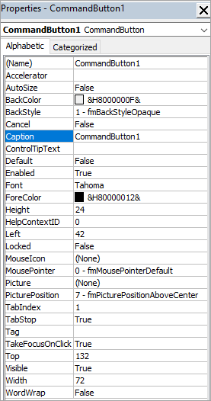

1- Select the cells that you want to watch.
To select all cells on a worksheet with formulas, on the Home tab, in the Editing group, click Find & Replace, click Go To Special, and then click Formulas.

2- On the Formulas tab, in the Formula Auditing group, click Watch Window.

3- Click Add Watch

4- Click Add.
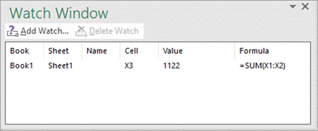

5- Move the Watch Window toolbar to the top, bottom, left, or right side of the window.

6- To change the width of a column, drag the boundary on the right side of the column heading.

7- To display the cell that an entry in Watch Window toolbar refers to, double-click the entry.

Q-6
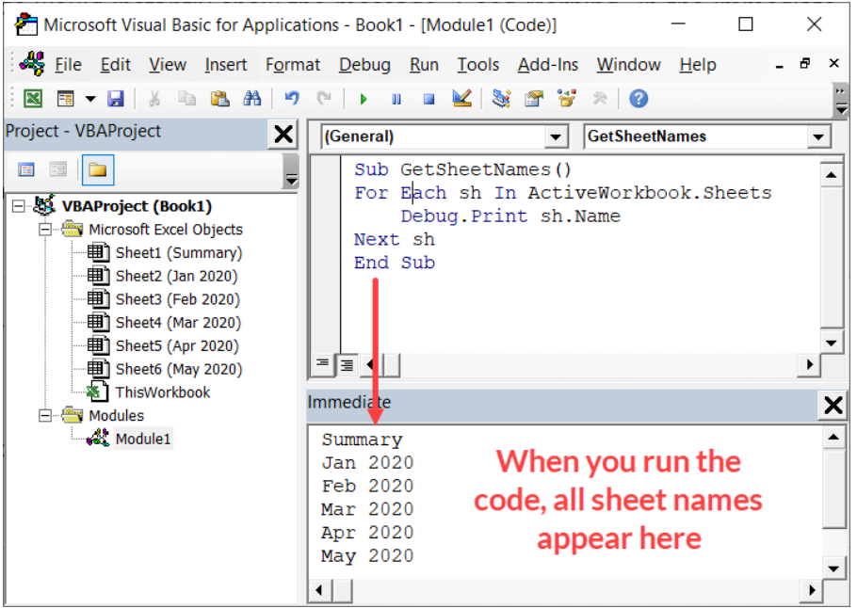
Q-6 What is an immediate Window and what is it used for?
◊ The Immediate window displays information resulting from debugging statements in your code or from commands typed directly into the window

◊ 'Immediate window' can be a useful tool to use when working with VBA in Excel. The Immediate window allows you to quickly do things such as: Get information . about Excel files (such as sheet count in a workbook or name of the workbook) Get Debug.

